Sheet1
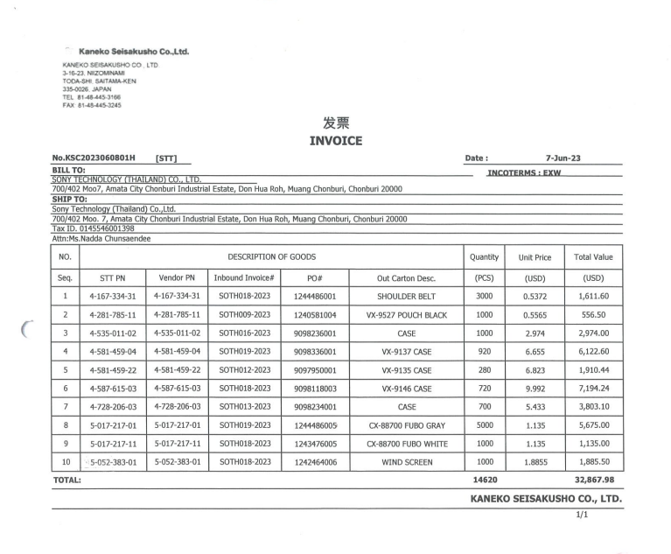

INVOICE _NO

UNIT_PRICE
ITEM_NO
PO_NO
QTY
AMOUNT

